How do you rate this conference
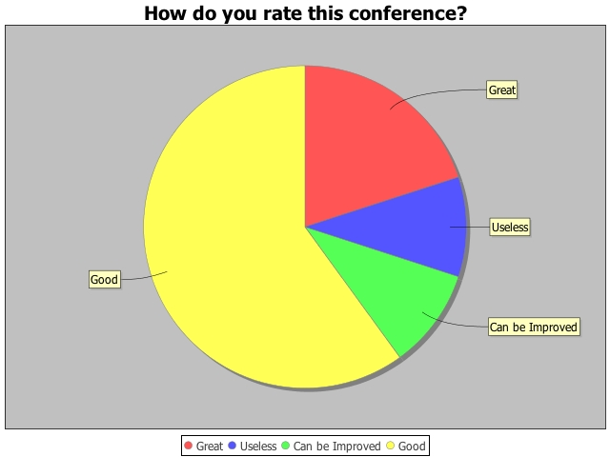
Question | How do you rate this conference?
Responses
Great | 20.00%
Useless | 10.00%
Can be Improved | 10.00%
Good | 60.00%

